Contract Type
Contract Type | Member of student staff |  |  | Member of non-student staff

 | Positive | Neutral | Negative | Positive | Neutral | Negative

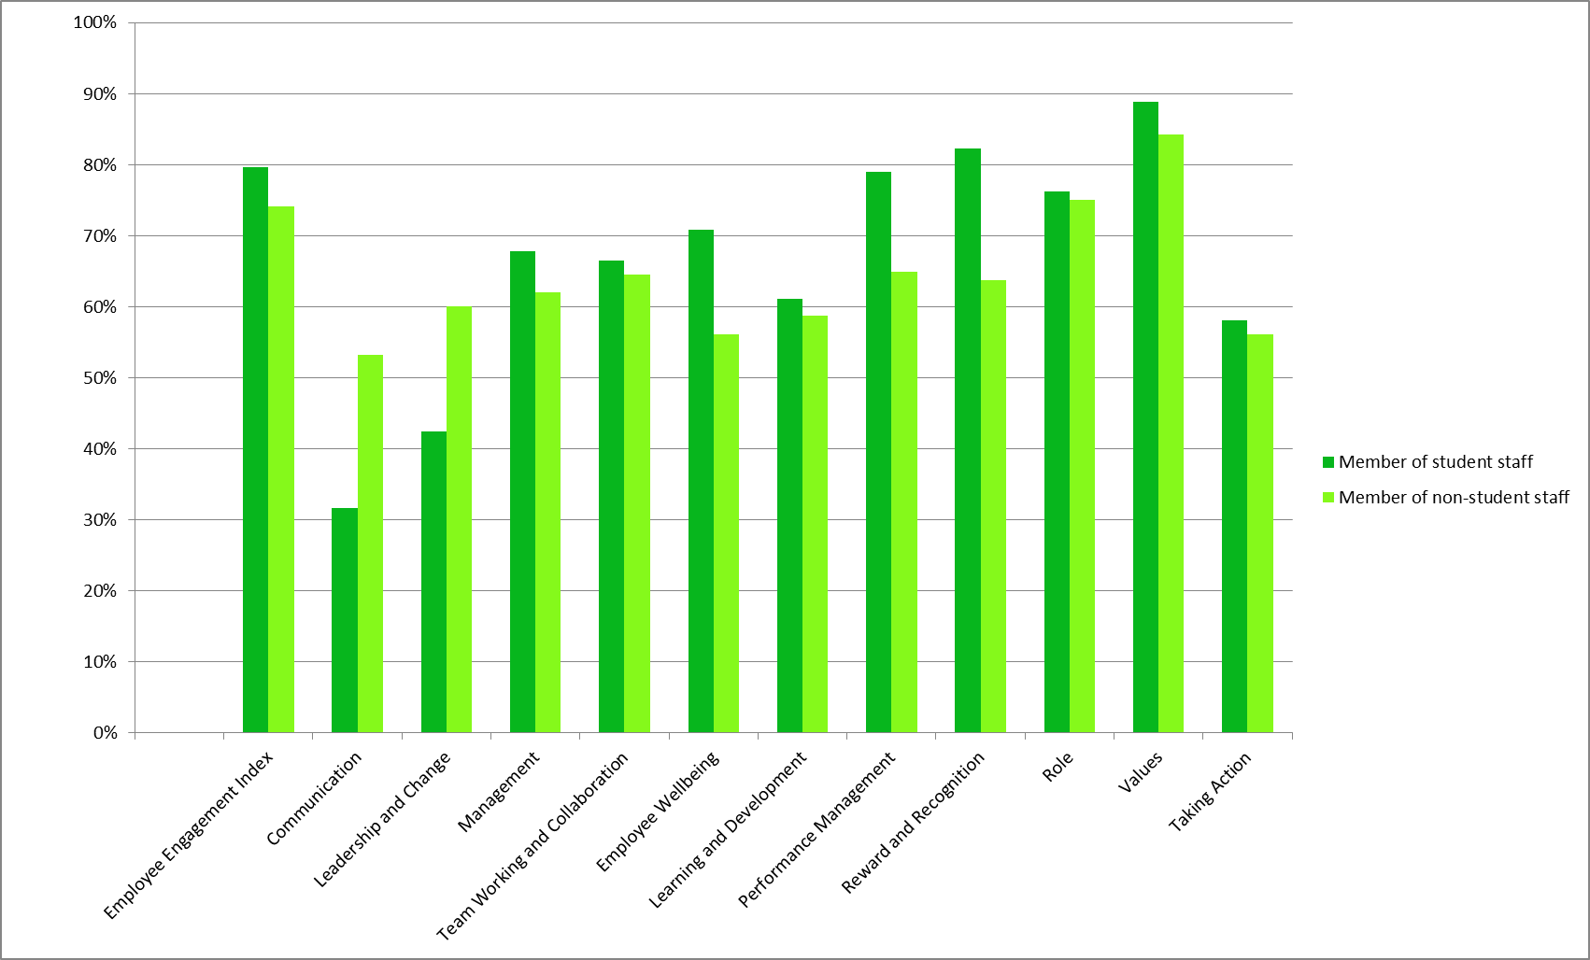
Number of assessors | 81 | 81 | 81 | 57 | 57 | 57
Employee Engagement Index | 79.63% | 17.28% | 3.09% | 74.12% | 21.93% | 3.95%
Q17. I feel a strong sense of belonging to UCLU | 65.43% | 30.86% | 3.70% | 66.67% | 26.32% | 7.02%
Q18. I am proud to work for UCLU | 81.48% | 16.05% | 2.47% | 71.93% | 24.56% | 3.51%
Q19. I would recommend UCLU as a good place to work | 88.89% | 7.41% | 3.70% | 70.18% | 24.56% | 5.26%
Q20. I would willingly put in extra effort to help UCLU | 82.72% | 14.81% | 2.47% | 87.72% | 12.28% | 0.00%
Communication | 31.69% | 33.74% | 34.57% | 53.22% | 27.49% | 19.30%
Q21. There are adequate opportunities to get my ideas and suggestions passed up to senior management | 48.15% | 27.16% | 24.69% | 63.16% | 24.56% | 12.28%
Q22. I am kept well informed about what UCLU are doing | 33.33% | 35.80% | 30.86% | 66.67% | 14.04% | 19.30%
Q23. The UCLU staff forum is a key communication tool | 13.58% | 38.27% | 48.15% | 29.82% | 43.86% | 26.32%
Leadership and Change | 42.47% | 27.90% | 29.63% | 60.00% | 28.42% | 11.58%
Q24. I have a strong understanding of the strategic goals of UCLU | 32.10% | 28.40% | 39.51% | 59.65% | 29.82% | 10.53%
Q25. Senior management are sufficiently visible in UCLU | 49.38% | 20.99% | 29.63% | 70.18% | 17.54% | 12.28%
Q26. The reasons behind change are clearly communicated to me | 34.57% | 24.69% | 40.74% | 56.14% | 26.32% | 17.54%
Q27. Senior management provides effective leadership | 44.44% | 35.80% | 19.75% | 54.39% | 36.84% | 8.77%
Q28. The UCLU Leadership Team balances student focus and engagement whilst operating an efficient and effective organisation | 51.85% | 29.63% | 18.52% | 59.65% | 31.58% | 8.77%
Management | 67.77% | 18.14% | 14.09% | 61.98% | 23.53% | 14.49%
Q29. My last appraisal was an accurate reflection of my performance | 84.62% | 12.82% | 2.56% | 62.79% | 32.56% | 4.65%
Q30. My last appraisal helped identify opportunities for career development | 61.54% | 25.64% | 12.82% | 44.19% | 27.91% | 27.91%
Q31. I trust the communication of managers | 65.43% | 19.75% | 14.81% | 56.14% | 36.84% | 7.02%
Q32. I receive regular and constructive feedback on my performance | 54.32% | 20.99% | 24.69% | 56.14% | 19.30% | 24.56%
Q33. My manager seeks my input and involves me where appropriate | 66.67% | 14.81% | 18.52% | 75.44% | 14.04% | 10.53%
Q34. I receive adequate support from my line manager | 74.07% | 14.81% | 11.11% | 77.19% | 10.53% | 12.28%
Team Working and Collaboration | 66.42% | 23.21% | 10.37% | 64.56% | 24.21% | 11.23%
Q35. The organisation promotes teamwork | 74.07% | 14.81% | 11.11% | 63.16% | 29.82% | 7.02%
Q36. Conflicts within the team are handled appropriately | 56.79% | 33.33% | 9.88% | 66.67% | 24.56% | 8.77%
Q37. We work effectively across departments and functions | 50.62% | 38.27% | 11.11% | 45.61% | 29.82% | 24.56%
Q38. My Department has a positive "team" spirit | 82.72% | 12.35% | 4.94% | 82.46% | 10.53% | 7.02%
Q39. Information is freely shared among all team members | 67.90% | 17.28% | 14.81% | 64.91% | 26.32% | 8.77%
Employee Wellbeing | 70.78% | 16.46% | 12.76% | 56.14% | 25.73% | 18.13%
Q40. I am worried about job security at UCLU | 62.96% | 18.52% | 18.52% | 36.84% | 22.81% | 40.35%
Q41. UCLU strives to help employees to achieve a meaningful work-life balance | 80.25% | 13.58% | 6.17% | 77.19% | 19.30% | 3.51%
Q42. UCLU demonstrates by its actions that it cares about its employees | 69.14% | 17.28% | 13.58% | 54.39% | 35.09% | 10.53%
Learning and Development | 61.11% | 21.60% | 17.28% | 58.77% | 20.18% | 21.05%
Q43. UCLU helps me acquire skills and knowledge that will benefit my future career | 64.20% | 23.46% | 12.35% | 57.89% | 22.81% | 19.30%
Q44. There are adequate training opportunities available to me to support me in my role | 58.02% | 19.75% | 22.22% | 59.65% | 17.54% | 22.81%
Performance Management | 79.01% | 13.58% | 7.41% | 64.91% | 23.39% | 11.70%
Q45. I understand the performance standards that are expected of me | 90.12% | 7.41% | 2.47% | 77.19% | 17.54% | 5.26%
Q46. High standards of performance are expected of all employees | 87.65% | 9.88% | 2.47% | 61.40% | 22.81% | 15.79%
Q47. My manager takes prompt action if people's performance falls below acceptable standards | 59.26% | 23.46% | 17.28% | 56.14% | 29.82% | 14.04%
Reward and Recognition | 82.30% | 11.52% | 6.17% | 63.74% | 20.47% | 15.79%
Q48. I receive prompt acknowledgement and recognition for doing good work | 64.20% | 20.99% | 14.81% | 56.14% | 26.32% | 17.54%
Q49. My pay is competitive compared with other similar organisations | 88.89% | 8.64% | 2.47% | 71.93% | 15.79% | 12.28%
Q50. I am paid fairly for the work I do | 93.83% | 4.94% | 1.23% | 63.16% | 19.30% | 17.54%
Role | 76.23% | 16.05% | 7.72% | 75.00% | 14.47% | 10.53%
Q51. I feel that my work contributes to UCLU's performance | 87.65% | 9.88% | 2.47% | 92.98% | 7.02% | 0.00%
Q52. My job is well defined and my accountabilities are clear | 79.01% | 13.58% | 7.41% | 70.18% | 12.28% | 17.54%
Q53. I am provided with the support and tools necessary to do my job effectively | 75.31% | 18.52% | 6.17% | 66.67% | 17.54% | 15.79%
Q54. I am well informed about my Department's objectives | 62.96% | 22.22% | 14.81% | 70.18% | 21.05% | 8.77%
Values | 88.89% | 7.00% | 4.12% | 84.21% | 11.11% | 4.68%
Q55. UCLU values diversity | 87.65% | 11.11% | 1.23% | 85.96% | 7.02% | 7.02%
Q56. People here are treated equally irrespective of ethnicity, gender, disability, age, sexual orientation or religion | 92.59% | 4.94% | 2.47% | 85.96% | 8.77% | 5.26%
Q57. People within UCLU consistently treat each other with respect and dignity | 86.42% | 4.94% | 8.64% | 80.70% | 17.54% | 1.75%
Taking Action | 58.02% | 25.93% | 16.05% | 56.14% | 33.33% | 10.53%
Q58. I believe that action will be taken on problems identified in this survey | 58.02% | 25.93% | 16.05% | 56.14% | 33.33% | 10.53%

Overall Score | 66.97% | 19.38% | 13.65% | 65.04% | 22.58% | 12.39%

